INTRO


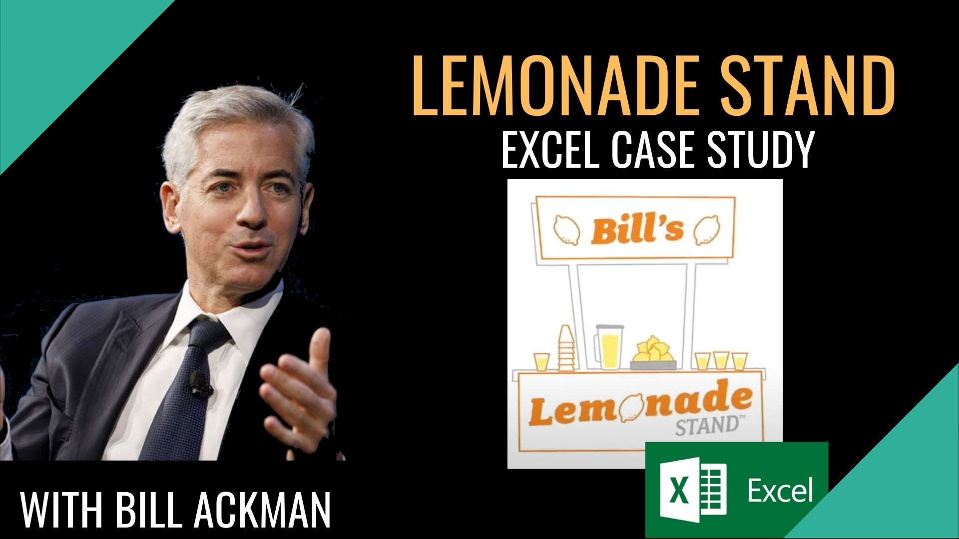

START
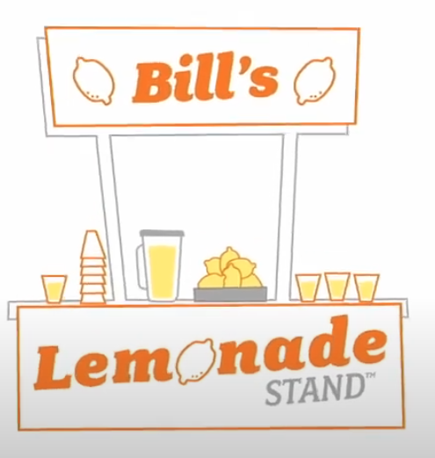
INPUT cells
COMPANY SET-UP | Day 1, YEAR 1

Nr of Shares | Allocation of Shares |  | Notes
1,000 | 67% | Owner | For the name & idea
500 | 33% | Investor | Bill needs money:
1,500 | TOT |  | he sells 1/3 of the company (500 shares) to raise money

Share value
Per Share | $1

Business Worth (Equity)
$1,000 |  | Owner | Idea-Goodwill, 1$/share
$500 |  | Investor | Equity Issued, 1$/share
$1,500 | TOT |  | <--- NOW the business is worth

Borrowed Money
Debt | Annual Interest Rate | Annual Interest | Bill need more money. He decides to borrow it
$250 | 10% | $25 | The lender provides $250 at 10% interest rate
 |  |  | Bill decides to borrow instead of selling other shares, to control the business and keep future profits (in case the business in succesful)

Total Cash
0 |  | Owner
$500 | Raised money | Investor | 1$/share
$250 | Raised money | Lender | 10% annual interests
$750 | TOT

